Chart07_ReactorsInOperationWorl
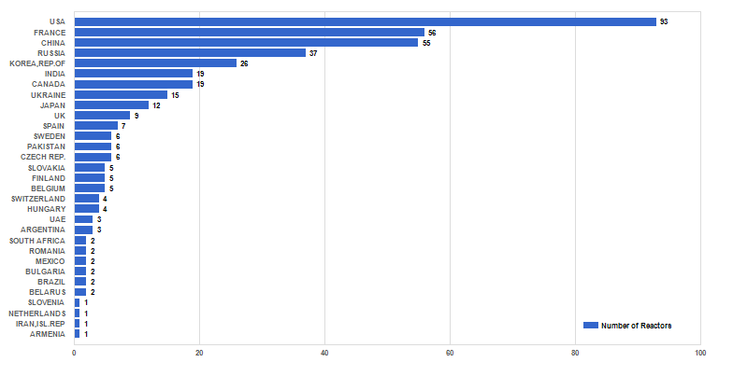
Figure 7. Number of reactors in operation worldwide (as of 31 Dec. 2023)

